Challenges
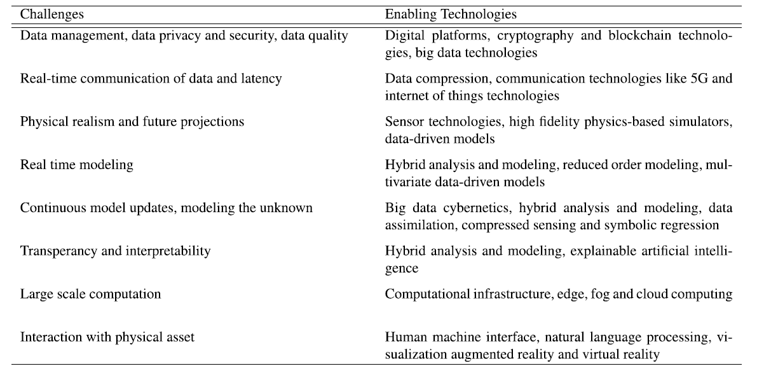
Paper | Venue | Year
Digital Twin: Values, Challenges and Enablers From a Modeling Perspective | IEEE Access | 2020

